FORECAST
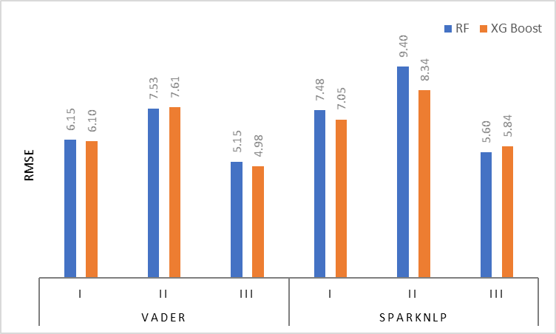
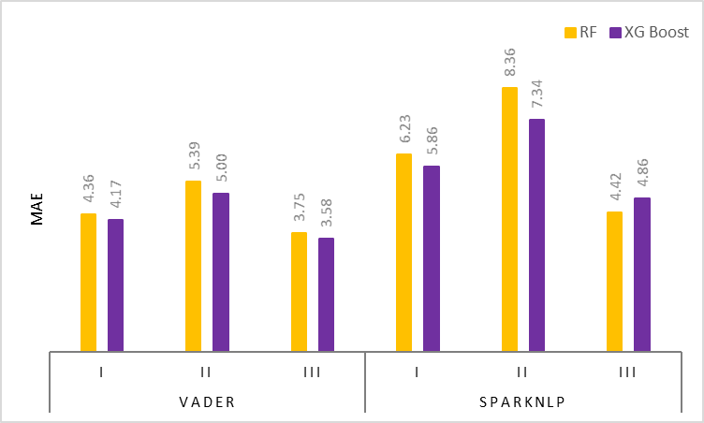
BY q4 2022
 | Month | Forecast Value |  |  |  |  |  | Month | Forecast Value
 |  | Holts-Winter | Holts_SA | XG Boost | XG Boost_SA | Random Forest | RF_SA |  | LASSO | Decision Tree | SVM | LSTM
 | 2022-10 | 10.47 | 11.64 | 5.51 | 4.93 | 4.76 | 4.86 | 2022-10 | 5.02 | 3.00 | 4.45 | 5.37
 | 2022-11 | 10.50 | 11.74 | 3.90 | 2.60 | 4.49 | 3.44 | 2022-11 | 4.02 | 5.48 | 5.01 | 2.20
 | 2022-12 | 10.54 | 11.85 | 6.40 | 2.41 | 5.38 | 3.30 | 2022-12 | 5.31 | 5.48 | 5.46 | 5.19
 | 2023-01-01 | 10.58 | 11.95 | 5.35 | 4.88 | 5.09 | 4.45
 | 2023-02-01 | 10.62 | 12.05 | 5.70 | 3.68 | 5.19 | 3.25 | Quarter | Forecast Value
 | 2023-03-01 | 10.66 | 12.15 | 3.43 | 2.68 | 4.15 | 3.26 |  | LASSO | Decision Tree | SVM | LSTM
 |  |  |  |  |  |  |  | Q42022 | 4.78 | 4.65 | 4.97 | 4.25
 | Quarter | Forecast Value
 |  | Holts-Winter | Holts_SA | XG Boost | XG Boost_SA | Random Forest | RF_SA
 | Q42022 | 10.50 | 11.74 | 5.27 | 3.32 | 4.87 | 3.87
 | Q12023 | 10.62 | 12.05 | 4.83 | 3.75 | 4.81 | 3.66

 | With Imputation & Transform on VADER
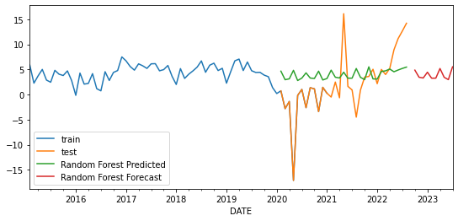


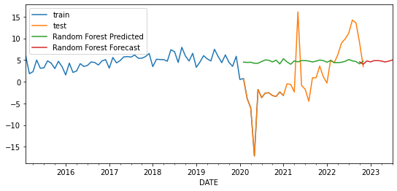
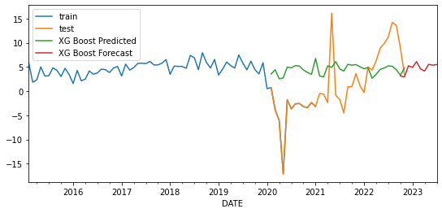
 | With Imputation on VADER

 | With Imputation on SparkNLP
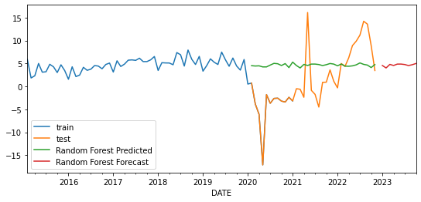


 | With Imputation and transformation on SparkNLP

 | With Imputation on SparkNLP (delete q4)

 | With Imputation and transformation on SparkNLP (Delete Q4)

 | RMSE
 | Model | VADER |  |  | SparkNLP
 |  | All COVID | Before Vaccine | After Vaccine | All COVID | Before Vaccine | After Vaccine
 | RF | 6.14548 | 7.53068 | 5.15476 | 7.47658 | 9.39635 | 5.59743 | 0.04869 | -0.0753 | 0.17608 | 0.42362 | 1.05378 | -0.24183
 | XG Boost | 6.09679 | 7.60598 | 4.97868 | 7.05296 | 8.34257 | 5.83926

 | MAE
 | Model | VADER |  |  | SparkNLP
 |  | All COVID | Before Vaccine | After Vaccine | All COVID | Before Vaccine | After Vaccine
 | RF | 4.3579 | 5.39224 | 3.74807 | 6.23385 | 8.35977 | 4.42097 | 0.18306 | 0.38854 | 0.16781 | 0.37331 | 1.0172 | -0.43592
 | XG Boost | 4.17484 | 5.0037 | 3.58026 | 5.86054 | 7.34257 | 4.85689

